Sheet1
 | Degree of inhibition
 | High |  | 3
 | Middle |  | 2
 | Low |  | 1
 | No inhibition |  | 0

# | Name | Structure | Score | Library | Similar structures in Non-hit compounds
1 | Stictic acid | 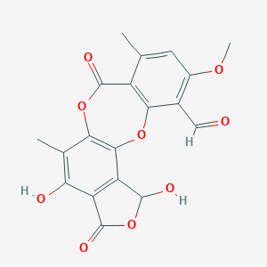 | 3
2 | Baicalein | 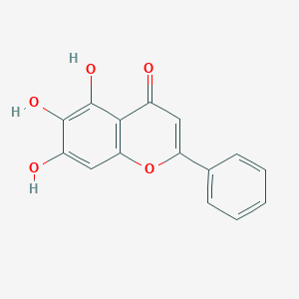 | 3
3 | Purpurogallin | 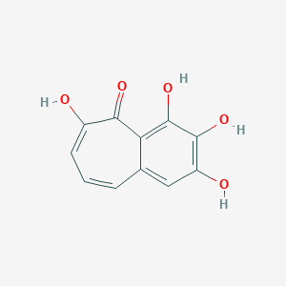 | 3
4 | Iriginol Hexaacetate |  | 3 | https://academic.oup.com/nar/article/42/20/e159/2902785
5 | Acetyl Isogambogic acid | 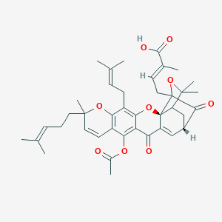 | 3
6 | Irigenol | 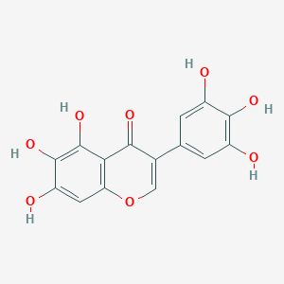 | 3
7 | Oxytetracycline | 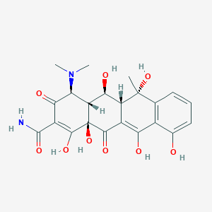 | 3
8 | Purpurogallin-4-Carboxylic acid | 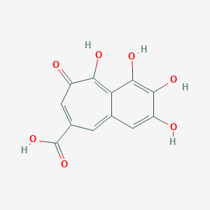 | 3
9 | 2 ,2' -Bisepigallocatechin Digallate | 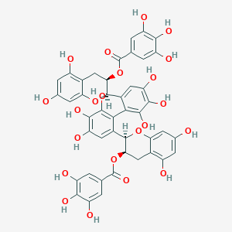 | 3
10 | 7-Deshydroxypyrogallin-4-Carboxylic acid | 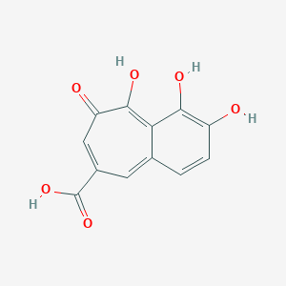 | 3
11 | Thimerosal | 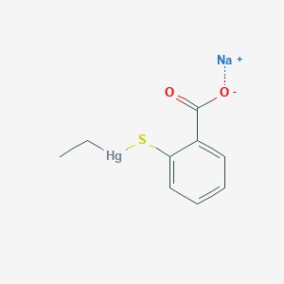 | 3
12 | Pyrithione zinc | 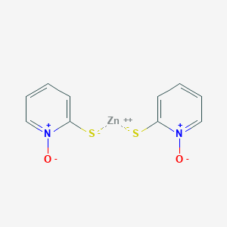 | 3
13 | (-)-Epigallocatechin gallate | 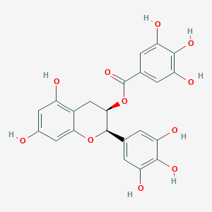 | 2 | Anti-obesity
14 | Isorhamnetin | 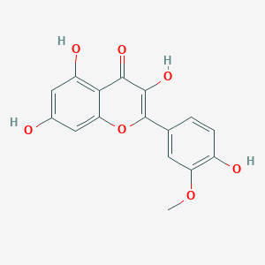 | 2 | Anti-obesity
15 | Galangin | 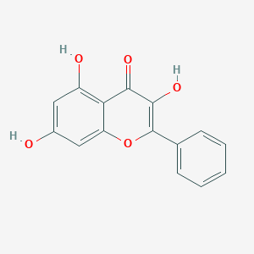 | 2 | Anti-obesity
16 | Sesamolin | 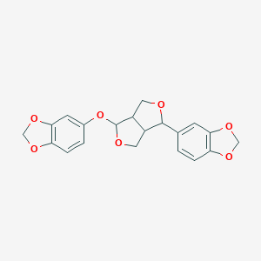 | 2 | Neuroprotection library
17 | Icaritin | 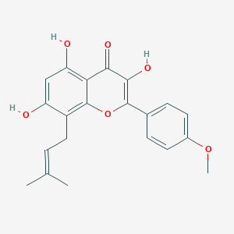 | 2 | Neuroprotection library
18 | Kaempferol | 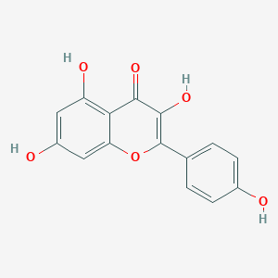 | 2 | Neuroprotection library
19 | Isopomiferin | 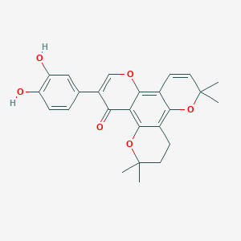 | 2
20 | Chlorophyllide Cu complex Na salt | 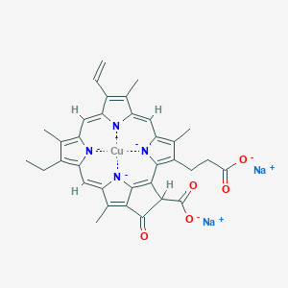 | 2
21 | Methyl 7-Deshydroxypyrogallin-4-Carboxylate | 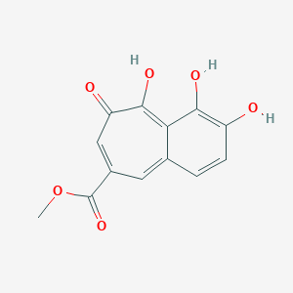 | 2 |  | Osthole(중복) | 0
22 | Laccaic acid A (dye) | 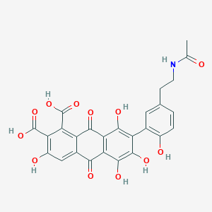 | 2
23 | Cryptotanshinone | 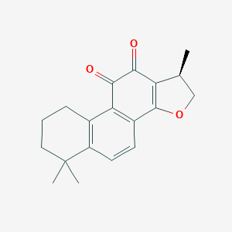 | 1 | Anti-obesity | Campestanol (중복) | 0 | Anti-obesity
24 | Norlichexanthone | 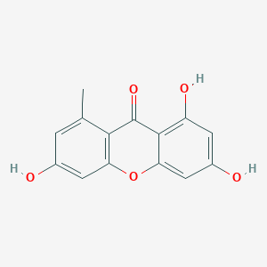 | 1 | Anti-obesity
25 | Piceatannol | 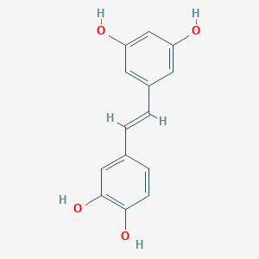 | 1 | Anti-obesity
26 | Soyasaponin Be methyl Ester | 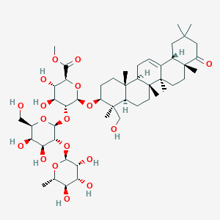 | 1 | Anti-obesity | Tormentic acid (중복) | 0 | Anti-obesity
27 | 6''-O-Acetylglycitin | 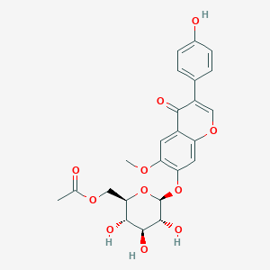 | 1 | Anti-obesity
28 | Hesperetin | 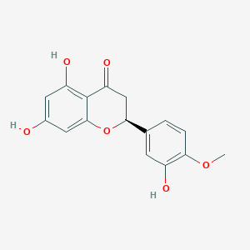 | 1 | Anti-obesity
29 | Xanthoxylin | 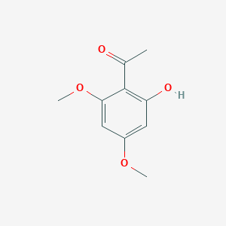 | 1 | Anti-obesity
30 | Kaempferol tetraacetate | 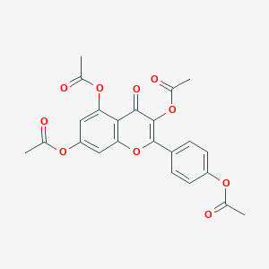 | 1 | Anti-obesity
31 | N-p-trans-Coumaroyltyramine | 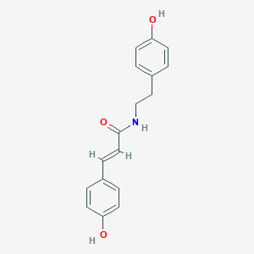 | 1 | Anti-obesity | Dihydrocapsaicin(중복) | 0
32 | Galanolactone | 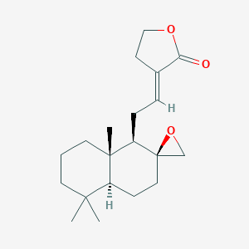 | 1 | Anti-obesity
33 | Norathyriol | 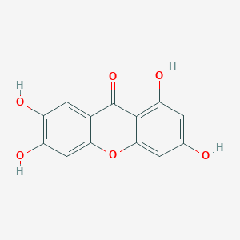 | 1 | Anti-obesity
34 | lenvatinib | 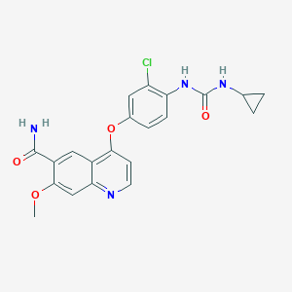 | 1 | FDA-approved drug
35 | pazopanib | 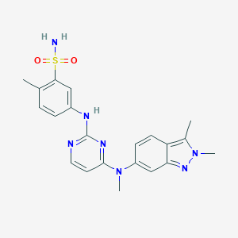 | 1 | FDA-approved drug
36 | cabozantinib malate | 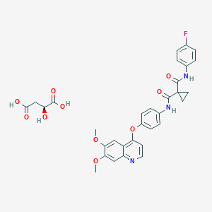 | 1 | FDA-approved drug
37 | regorafenib | 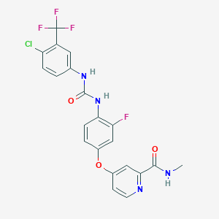 | 1 | FDA-approved drug
38 | rucaparib phosphate | 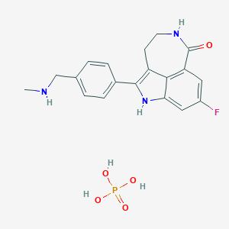 | 1 | FDA-approved drug
39 | LY2835219(Abemaciclib) | 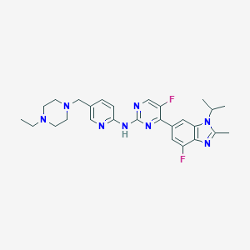 | 1 | FDA-approved drug
40 | Cabozantinib | 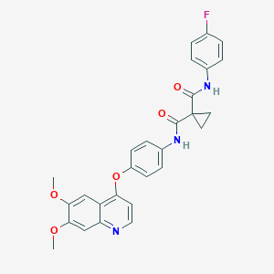 | 1 | FDA-approved drug | Folic acid(중복) | 0
41 | Glycitein | 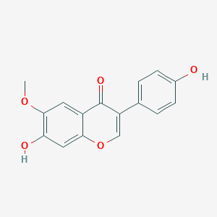 | 1 | Neuroprotection library
42 | Sodium Danshensu | 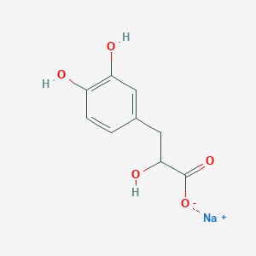 | 1 | Neuroprotection library | Danshensu(중복) | 0 | Anti-obesity
43 | Gastrodin | 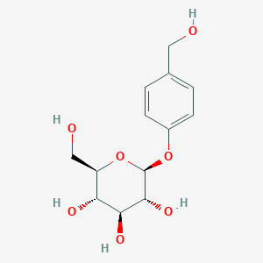 | 1 | Neuroprotection library
44 | Senkyunolide I | 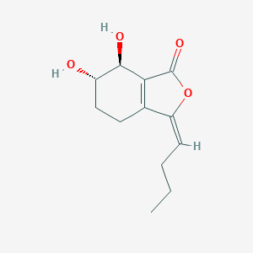 | 1 | Neuroprotection library
45 | Ginkgolide A | 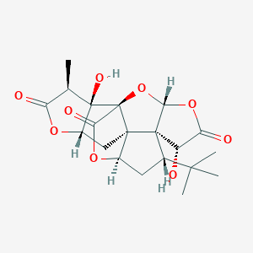 | 1 | Neuroprotection library
46 | Forsythoside B | 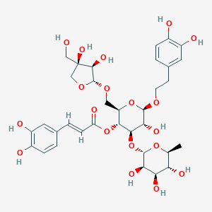 | 1 | Neuroprotection library
47 | Theophylline | 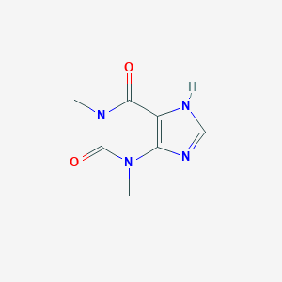 | 1 | Neuroprotection library
48 | Albiflorin | 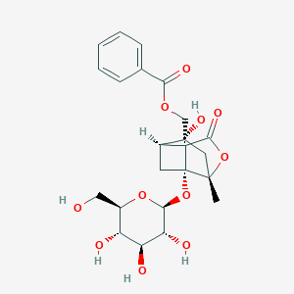 | 1 | Neuroprotection library
49 | Bilirubin | 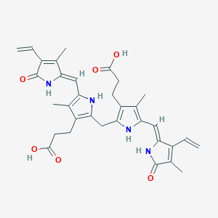 | 1 | Neuroprotection library
50 | Tiliroside | 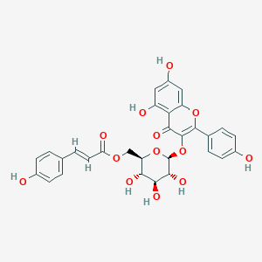 | 1 | Neuroprotection library
51 | Ginsenoside Rh3 | 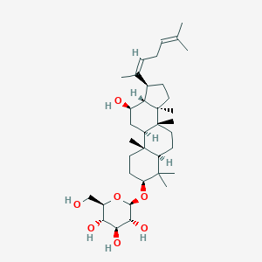 | 1 | Neuroprotection library
52 | Berberine |  | 1 | Neuroprotection library
53 | Patchouli alcohol |  | 1 | Neuroprotection library
54 | (+)-Afzelechin |  | 1 | Neuroprotection library
55 | Rhynchophylline |  | 1 | Neuroprotection library
56 | Harpagide |  | 1 | Neuroprotection library
57 | Gartanin |  | 1 | Neuroprotection library
58 | Cryptotanshinone |  | 1 | Neuroprotection library | Ergosterol peroxide glucoside (중복) | 0 | Anti-obesity
59 | Betulinic acid |  | 1 | Neuroprotection library | Betulin(중복) | 0 | Anti-obesity
60 | Nobiletin |  | 1 | Neuroprotection library
61 | Dehydroepiandrosterone |  | 1 | Neuroprotection library | Momordicoside G(중복) | 0 | Anti-obesity
62 | Trigonelline |  | 1 | Neuroprotection library
63 | Crocin |  | 1 | Neuroprotection library | Hexahydrocurcumin(중복) | 0 | Anti-obesity
64 | Gardenoside |  | 1 | Neuroprotection library | Loganic acid (중복) | 0 | Anti-obesity
65 | Ginsenoside Rg5 |  | 1 | Neuroprotection library
66 | Agaric acid |  | 1
67 | Koparin |  | 1
68 | Baicalin |  | 1
69 | Rutilantinone |  | 1
70 | Nisoldipine |  | 1
71 | Purpurin (Red/Yellow dye) |  | 1
72 | Helenine |  | 1
73 | Evans Blue(Dye) |  | 1
74 | Leucovorin Calcium |  | 1
75 | Nitroxoline |  | 1
76 | Chloranil |  | 1
77 | Sennoside A |  | 1
78 | 2,3-Dihydroxy-4-Methoxy-4-Ethoxybenzophenone |  | 1 |  | Danshensu (중복) | 0 | Anti-obesity
79 | 3-Methoxycatechol |  | 1
80 | Broxyquinoline |  | 1
81 | Momordicoside K |  | 0 | Anti-obesity
82 | Campestanol |  | 0 | Anti-obesity
83 | Momordicoside G |  | 0 | Anti-obesity
84 | Tormentic acid |  | 0 | Anti-obesity
85 | Hexahydrocurcumin |  | 0 | Anti-obesity
86 | Ergosterol peroxide glucoside |  | 0 | Anti-obesity
87 | Danshensu |  | 0 | Anti-obesity
88 | Loganic acid |  | 0 | Anti-obesity
89 | Geniposidic acid |  | 0 | Anti-obesity
90 | Betulin |  | 0 | Anti-obesity
91 | Dihydrocapsaicin |  | 0 | Anti-obesity
92 | Folic acid |  | 0 | Anti-obesity
93 | Osthole |  | 0 | Anti-obesity
94 | Rutaecarpine |  | 0 | Anti-obesity
95 | L-Arginine |  | 0 | Anti-obesity
96 | Glycitein |  | 0 | Anti-obesity
97 | 11-Oxo-mogroside V |  | 0 | Anti-obesity
98 | Harpagoside |  | 0 | Anti-obesity
99 | Eupatilin |  | 0 | Anti-obesity
100 | Tomatidine |  | 0 | Anti-obesity
101 | Quercetin-3-O-glucuronide |  | 0 | Anti-obesity

